Comprehensive Supply List
Item (Generic Description) | Supplier | UNICEF Supply Catalogue Part Number (or alternative Vendor Number) | Additional Specifications (Generic) | Unit Cost (US$) | Unit (pack, box, grams, mL, set) | Photo
Anthropometry and GPS
Portable baby/child length/height measuring board, made of wood, 2 boards packed in a carton box. | UNICEF Supply Catalogue | S0114540 | Infant/Child/Adult Height board with Auto-Lock Head/Footpiece (2 per set) | $275.59 | Set
Seca 874 Digital Floor Scale with Mother/Child Function | UNICEF Supply Catalogue | S0141021 | Mother/Child function 150kgx100g | $139.93 | Each
GPSReceiver Garmin eTrex 30 | UNICEF Supply Catalogue | S5006025 | eTrex 30 | $199.87 | Each
Field Testing (Equipment and Supplies)
Photometer, HemoCue, Glucose 201+/SET | UNICEF Supply Catalogue | S0000590 | Glucose 201/Set | $533.55 | Set
Photometer, HemoCue 301, set | UNICEF Supply Catalogue | S0000591 | Hb 301/Set | $496.61 | Set | 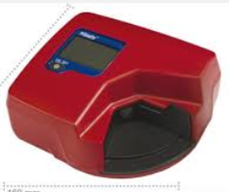
Photometer HemoCue Hb 201+, set | HemoCue (http://www.hemocue.com) | Hb 201+ | For measurement of hemoglobin; Sample material: Capillary, venous or arterial whole blood; Measurement range: 0-25.6 g/dL; Results: In about 60 seconds; Sample volume: 10 µL; Weight: 350 g (0.77 pounds) with batteries installed; Power: AC Adapter or batteries; Operating temperature: 15-30 °C (59-86 °F); Quality control: Built-in "selftest" and liquid controls Calibration: The analyzers are calibrated at the factory against the ICSH reference method and needs no further calibration; Storage for Analyzer: The analyzer can be stored at temperature 0-50 °C (32-122 °F). | $750.00 | Each
Microcuvettes for HemoCue 201 | UNICEF Supply Catelogue | S0000584 | 4x50/Bottle (Box of 200) | $138.35 | Pack of 4 Bottles (200 total)
Microcuvettes for HemoCue 301 | UNICEF Supply Catelogue | S0000592 | 4x50/Bottle (Box of 200) | $62.86 | Pack of 4 Bottles (200 total)
Microcuvette,for Glucose 201+/BOX-100 | UNICEF Supply Catalogue | S0000581 | Box 100 | $52.97 | Box 100
Portable Fluorometer, Vitamin A in Foods | UNICEF Supply Catalogue | S0000227 | Portable Fluorometer, Vitamin A in Foods | $10,602.00 | Each | 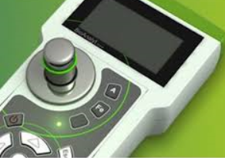
Reagents f. S0000227 VitA/Food,PAC-100** | UNICEF Supply Catalogue | S0000257 | Reagents f. S0000227 VitA/Food,PAC-100** | $858.00 | Pack of 100 | 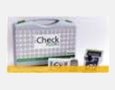
WYD checker for Iodine Analysis in Salt | UNICEF Supply Catalogue | S0000599 | Stability: Drift less than 0.3 mg/kg in 10 minutes. Measurement range: From 10 to 80 mg/kg Readout: 0.1 mg/kg Accuracy: analytical error is less than 2 mg/kg Precision: Fluctuation is less than 2% (at the concentration of 50 mg/kg). Bulk: 175×135×60 mm Weight: 500g Power requirement: AC 220V or DC 9V | $460.00 | Each | 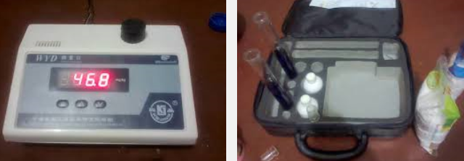
Kato Katz (Kits, Equipment and Supplies)
Set,stool sample prep, Kato-Katz, kit/400 | UNICEF Supply Catalogue | S0001536 | Set,stool sample prep, Kato-Katz, kit/400 | $32.38 | Kit/400 | 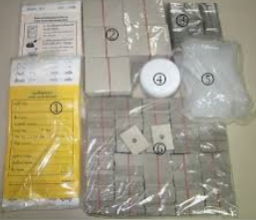
Microscope, binocular, basic | UNICEF Supply Catalogue | S0001300 | Microscope, binocular, basic | $1,036.37 | Each
Slide, microscope, frosted, box/100 | UNICEF Supply Catalogue | S0001465 | Slide, microscope, frosted, box/100 | $3.23 | Box of 100
Cover glass, slides, box/100 | UNICEF Supply Catalogue | S0001467 | Cover glass, slides, box/100 | $1.11 | Box of 100 | 
Microscope slide storage box | Fisher Scientific (http://www.fishersci.com) or VWR International (http://www.vwrinternational.com) | 22-363-400 | Microscope slide storage box; Capacity for twenty-five (25) 3 x 1 in. or 75 x 25mm standard slides; Tight-fitting lid protects slides and prevents dust accumulation; Durable molded black plastic construction; Preprinted index card in lid for easy slide identification; Front has tab area (tab included) for additional identification; Base has interlocking grooves for stacking several units; Slides stay securely in place with numbered slide partitions | $112.15 | Each | 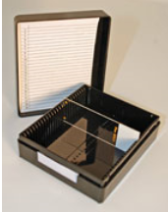
Lugol iodine, bot/1L | UNICEF Supply Catalogue | S0001489 | Lugol iodine, bot/1L | $17.30 | 1 bottle
Applicator, wood, non-sterile, box/1000 | UNICEF Supply Catalogue | S0001424 | Applicator, wood, non-sterile, box/1000 | $19.60 | Pack of 864 | 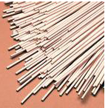
Diethyl ether, bot/1L | UNICEF Supply Catalogue | S0001477 | Diethyl ether, bot/1L | $27.77 | 1 bottle (1L)
Malachite Green (Technical) | Fisher Scientific (http://www.fishersci.com) or VWR International (http://www.vwrinternational.com) | A779-500 | Malachite Green Technical China Green, Basic Green 4, Fast Green, C23H25N2Cl; bottle, 500g | $304.77 | 500g | 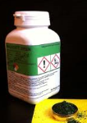
Glycerol, bot/1L | UNICEF Supply Catalogue | S0001481 | Glycerol, bot/1L | $9.30 | 1 L
Porous Cellophane, 35 x 44 cm sheets, 50 sheets | Fisher Scientific (http://www.fishersci.com) or VWR International (http://www.vwrinternational.com) | 45001916 | Porous Cellophane, 35 x 44 cm sheets for Kato Katz | $75.47 | Pack of 50
CELL SCREEN 100 MESH/140 Micron, nylon, 3" x 3" | Fisher Scientific (http://www.fishersci.com) or VWR International (http://www.vwrinternational.com) | 1985-00100 | CELL SCREEN 100 MESH/140 Micron, nylon, 3" x 3" | $55.63 | Each | 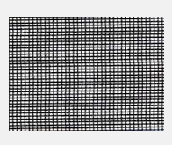
Counting chamber, disp, box/100 | UNICEF Supply Catalogue | S0001463 | Counting chamber, disp, box/100 | $103.88 | Box of 100 | 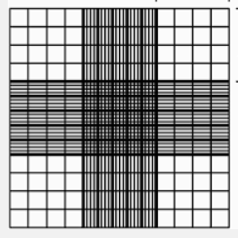
Counter, hand tally, mechanical | UNICEF Supply Catalogue | S0001310 | Counter, hand tally, mechanical | $12.13 | Each | 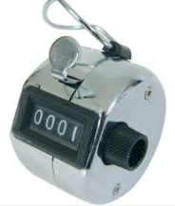
Rapid Diagnostic Tests
CareStart™ Malaria HRP2 (60 strips/kit) | UNICEF Supply Catalogue | S0003543 | CareStart Malaria Plasmodium falciparum rapid diagnostic test | $38.40 | 60 tests/kit
CareStart Mal combo,Pf/Pv,kit/60 kits per box | UNICEF Supply Catelogue | S0003365 | CareStart Malaria Plasmodium falciparum and Plasmodium vivax rapid diagnostic test | $35.40 | 60 tests/kit
SD Bioline Mal Pf (HRP2), kit/25 | UNICEF Supply Catalogue | S0003581 | SD Bioline Mal Pf (HRP2), kit/25 | $11.75 | Kit/25
IT-Leish Visceral Leishmania RDT, kit/24 | UNICEF Supply Catelogue | S0003393 | Qualitative indication of the presence of antibodies to Leishmania spp. parasites; a primary cause of visceral Leishmaniasis. | $48.43 | 24 tests/kit | 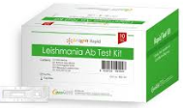
The Instant-View® H. Pylori Rapid test: lateral flow immunoassay for the rapid, qualitative detection of IgG antibodies specific to Helicobacter pylori (H. Pylori) in human serum and whole blood | Clia Waived (http://www.cliawaived.com) | The Instant-View® H. Pylori Rapid test | Instant View H Pylori Rapid, Method-Lateral flow test, Accuracy-98%, Reproducibility 100%, Sample Serum, Read time 2-3 minutes, Storage Room temperature, Easy, one-step procedure, Fast results; minimizes user error, 98% accurate in laboratory tests, Small sample volume required, 24-month shelf life at room temp. from date of manufacture. No special storage requirements to maintain stability. | $75.00 | 25 test/kit
Diagnostic reagent strips, Pack of 100 Strips | Fisher Scientific (http://www.fishersci.com) or VWR International (http://www.vwrinternational.com) | AM-1554 | Diagnostic reagent strips, Pack of 100 Strips; Two proprietary dip-and-read tests, Protein Low (Albumin) and Creatinine; Results in 60 seconds; Provides protein-to-creatinine ratio ; Improved protein sensitivity (8–15mg/dL) | $586.55 | Pack of 100 | 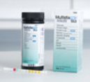
Uni-gold HIV kits | UNICEF Supply Catalogue | S0003406 | Uni-Gold HIV 1/2 rapid diagnostic test | $36.68 | 20 tests/kit | 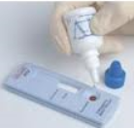
Timer, 60min, mechanical | UNICEF Supply Catalogue | S0001341 | Timer, 60min, mechanical | $4.77 | Each
Capillary and Venous Blood Collection
Tube, capillary, plastic, Dipotassium EDTA, Beadless, 500µL capacity | Becton Dickson (http://www.bd.com) | 365974 | Tube, capillary, with Microgard Lavendar top closure, plastic, Dipotassium EDTA, Beadless, 500µL capacity, The interior surface of the reservoir is spray-coated with K2 EDTA solution, which is then dried. The upper edge of the reservoir serves as a collector. Markings on the reservoir show the 250 μL and 500 μL fill levels. The lavender closure fits snugly over the upper edge of the reservoir, to reduce the potential for sample contact when the cap is removed. | $47.96 | 50/Pack
Tube, capillary, plastic, red cap tube with no additive for serum collection, 500µL capacity | Becton Dickson (http://www.bd.com) | 365963 | Tube, capillary, plastic, red cap tube with no additive for serum collection, 500µL capacity, The upper edge of the reservoir serves as a collector. Markings on the reservoir show the 250 μL and 500 μL fill levels. The red closure fits snugly over the upper edge of the reservoir, to reduce the potential for sample contact when the cap is removed. | $45.49 | 50/Pack
Tube, capillary, plastic, green cap tube with lithium heparin for plasma collection, 500µL capacity | Becton Dickson (http://www.bd.com) | 365985 | Tube, capillary, plastic, green cap tube with lithium heparin for plasma collection, 500µL capacity; interior is sprayed with lithium heparin to prevent clotting, The upper edge of the reservoir serves as a collector. Markings on the reservoir show the 250 μL and 500 μL fill levels. The green closure fits snugly over the upper edge of the reservoir, to reduce the potential for sample contact when the cap is removed. | $49.66 | 50/Pack
Lancet, safety, 2.0 mm, disp, box/200 | UNICEF Supply Catalogue | S0001404 | Lancet, safety, 2.0 mm, disp, box/200 | $32.23 | Pack of 200
Tube, vacuum, EDTA, 2 ml, box/100 | UNICEF Supply Catalogue | S0001392 | Tube, vacuum, EDTA, 2 ml, box/100 | $11.80 | Box of 100
Tube, vacuum, EDTA, 4 ml, box/100 | UNICEF Supply Catalogue | S0001393 | Tube, vacuum, EDTA, 4 ml, box/100 | $12.66 | Box of 100
Tube, vacuum, EDTA, 6 ml, box/100 | UNICEF Supply Catalogue | S0001394 | Tube, vacuum, EDTA, 6 ml, box/100 | $15.03 | Box of 100
Tube, vacuum, serum gel, 4 ml, box/100 | UNICEF Supply Catalogue | S0001395 | Tube, vacuum, serum gel, 4 ml, box/100 | $13.36 | Box of 100
Tube, vacuum, serum gel, 6 ml, box/100 | UNICEF Supply Catalogue | S0001396 | Tube, vacuum, serum gel, 6 ml, box/100 | $14.84 | Box of 100
Tube, vacuum, trace metals, plasma collection; Blue top, trace certified vacuum tube, EDTA, 6.0 mL- for collection of Plasma | Becton Dickson (http://www.bd.com) | 368381 | Tube, vacuum, trace metals, plasma collection; The tubes for trace element testing; contains EDTA; 13 x 100mm; 6.0mL- plastic, store between 2 and 30C, for collection of plasma | $44.08 | Box of 100
Tube, vacuum, trace metals, serum collection; Blue top, trace certified vacutainer tube, siliclone clot activated, 6.0 mL- for collection of serum | Becton Dickson (http://www.bd.com) | 368380 | Tube, vacuum, trace metals, serum collection; The tubes for trace element testing ; Serum clot activator (silicone coated); 13 x 100mm; 6.0mL- plastic, store between 2 and 30C, for collection of serum | $39.81 | Box of 100
Tube, plastic, vacuum,lithium heparin, 13x75mm, 4 ml, box/100 | Becton Dickson (http://www.bd.com) | 366667 | Tube, plastic, vacuum,lithium heparin, 13x75mm, 4 ml, box/100 | $17.25 | Box of 100
Tube, plastic, vacuum,lithium heparin, 13x75mm, 3 ml, box/100 | Becton Dickson (http://www.bd.com) | 368036 | Tube, plastic, vacuum,lithium heparin, 13x75mm, 3 ml, box/100 | $17.65 | Box of 100
Needle holder, vacuum tubes, box/100 | UNICEF Supply Catalogue | S0001401 | Needle holder, vacuum tubes, box/100 | $6.18 | Box of 100 | 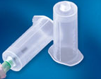
Tourniquet,latex-free,50cm | UNICEF Supply Catalogue | S0385010 | Tourniquet,latex-free,50cm | $0.27 | Each | 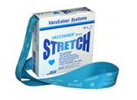
Needle, scalp vein,21G,ster,disp | UNICEF Supply Catalogue | S0744400 | Needle, scalp vein,21G,ster,disp | $0.06 | Each
Needle, scalp vein,23G,ster,disp | Becton Dickson (http://www.bd.com) | 367283 | Needle, vein,23G,ster,disp | $101.61 | Each
Needle, scalp vein,25G,ster,disp | UNICEF Supply Catalogue | S0744300 | Needle, scalp vein,25G,ster,disp | $0.06 | Each
Needle,disp,22G,ster/BOX-100 | UNICEF Supply Catalogue | S0747440 | Needle,disp,22G,ster/BOX-100 | $1.38 | Box of 100 | 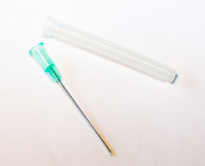
Needle,disp,21G,ster/BOX-100 | UNICEF Supply Catalogue | S0747432 | Needle,disp,21G,ster/BOX-100 | $1.10 | Box of 100
Needle,disp,23G,ster/BOX-100 | UNICEF Supply Catalogue | S0747452 | Needle,disp,23G,ster/BOX-100 | $1.08 | Box of 100
Needle ,disp,25G,ster/BOX-100 | UNICEF Supply Catalogue | S0747445 | Needle ,disp,25G,ster/BOX-100 | $1.10 | Box of 100
Compress, gauze, 10x10cm,ster/PAC-5 | UNICEF Supply Catalogue | S0523055 | Compress, gauze, 10x10cm,ster/PAC-5 | $0.24 | Pack of 5 | 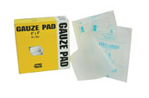
Bandage, adhesive, 3.0 cm, box/100 | UNICEF Supply Catalogue | S0001407 | Bandage, adhesive, 3.0 cm, box/100 | $3.17 | Box of 100 | 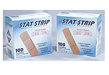
Individually wrapped alcohol pads; Compress, gauze ,anti-septic,6x3cm,box/100 | UNICEF Supply Catalogue | S0001409 | Individually wrapped alcohol pads; Compress, gauze ,anti-septic,6x3cm,box/100 | $1.33 | Box of 100
General Laboratory Supplies
Delicate task tissue wipes, 4.4 x 8.4 in. (11.2 x 21.3cm); 1-ply; Box of 280 | Fisher Scientific (http://www.fishersci.com) or VWR International (http://www.vwrinternational.com) | 06-666-A | Delicate task tissue wipes, 4.4 x 8.4 in. (11.2 x 21.3cm); 1-ply; Box of 280; Extra low-lint wipers made from 100% virgin wood fibers; Soft, nonabrasive cellulose-fiber wipers won't scratch most delicate surfaces; Absorb many times their own weight; Handy one-at-a-time dispensing packs with special plastic guard to reduce airborne lint, keep contaminants out of box, and reduce electrostatic discharge | $8.54 | Box of 280
Timer, 60min, mechanical | UNICEF Supply Catalogue | S0001341 | Timer, 60min, mechanical | $4.77 | Each | 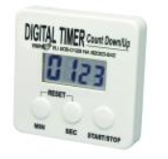
Tube, screw cap, conic, 15/50ml, box/500 | UNICEF Supply Catalogue | S0001389 | Tube, screw cap, conic, 15/50ml, box/500 | $107.76 | Box 500
PCR tube storage boxes | Fisher Scientific (http://www.fishersci.com) or VWR International (http://www.vwrinternational.com) | 14-222-396 | 96-well PCR tube storage boxes | $185.58 | Case of 25 | 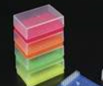
Sheet,absorbent, bench ,50x40cm, box/100 | UNICEF Supply Catalogue | S0001429 | Sheet,absorbent, bench ,50x40cm, box/100 | $160.10 | Box of 100 | 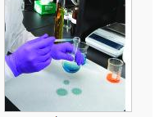
Polypropylene Biohazard bags, 12"x24" | Fisher Scientific (http://www.fishersci.com) or VWR International (http://www.vwrinternational.com) | 01-826A | Polypropylene Biohazard bags, 12"x24"; printed; maximum temperature, 140°C (285°F); 2mil thick; supplied with autoclavable elastic steam venting closures | $229.00 | Box of 200 | 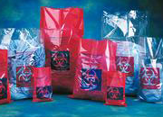
Safety box, sharps container, 1 quart | Fisher Scientific (http://www.fishersci.com) or VWR International (http://www.vwrinternational.com) | 22-023-823 | Safety box, sharps container; Small; 3.5 x 7 x 3.5 in.; Capacity: 1 qt; needle removal port for easy disposal; locking lids for transport; made of autoclavable polyproplylene | $218.25 | Case of 72
Funnel, glass, set/6 | UNICEF Supply Catalogue | S0001457 | Funnel, glass, set/6 | $30.70 | Set of 6 | 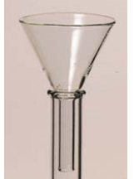
X- small gloves, w/o powder, nitrile | Fisher Scientific (http://www.fishersci.com) or VWR International (http://www.vwrinternational.com) | 19-130-1597A | Powder-Free Nitrile Exam Gloves ; Nitrile provides superior fit, comfort, tactile sensitivity and dexterity, and contains no latex proteins that can cause allergic reactions. The glove has a textured surface for solid grip in wet or dry conditions. | $29.20 | Box of 100
Gloves,w/o powder,nitr, S, disp,box/100 | UNICEF Supply Catalogue | S0001431 | Powder-Free Nitrile Exam Gloves ; Nitrile provides superior fit, comfort, tactile sensitivity and dexterity, and contains no latex proteins that can cause allergic reactions. The glove has a textured surface for solid grip in wet or dry conditions. | $5.26 | Box of 100 | 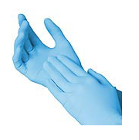
Gloves,w/o powder,nitr, M, disp,box/100 | UNICEF Supply Catalogue | S0001432 | Powder-Free Nitrile Exam Gloves ; Nitrile provides superior fit, comfort, tactile sensitivity and dexterity, and contains no latex proteins that can cause allergic reactions. The glove has a textured surface for solid grip in wet or dry conditions. | $5.26 | Box of 100
Gloves,w/o powder,nitr, L, disp,box/100 | UNICEF Supply Catalogue | S0001433 | Powder-Free Nitrile Exam Gloves ; Nitrile provides superior fit, comfort, tactile sensitivity and dexterity, and contains no latex proteins that can cause allergic reactions. The glove has a textured surface for solid grip in wet or dry conditions. | $5.41 | Box of 100
7"x8" bag, re-sealable, small, plastic, clear, box of 100 | Fisher Scientific (http://www.fishersci.com) or VWR International (http://www.vwrinternational.com) | 502004564 | 7"x8" bag, re-sealable, small, plastic, clear, box of 100; Multi-purpose storage and transportation plastic bag; Can be sealed and re-sealed with pressure seal-closing; Material: low density polyethylene (LDPE); Center of the bag provides with white opaque writable area | $60.40 | Box of 500 | 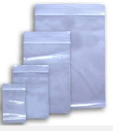
10.5"x11" bag, re-sealable, small, plastic, clear, box of 100 | Fisher Scientific (http://www.fishersci.com) or VWR International (http://www.vwrinternational.com) | 502004565 | 10.5"x11" bag, re-sealable, small, plastic, clear, box of 100; Multi-purpose storage and transportation plastic bag; Can be sealed and re-sealed with pressure seal-closing; Material: low density polyethylene (LDPE); Center of the bag provides with white opaque writable area | $49.34 | Box of 250
15.5"x13" bag, re-sealable, small, plastic, clear, box of 100 | Fisher Scientific (http://www.fishersci.com) or VWR International (http://www.vwrinternational.com) | 502004566 | 15.5"x13"bag, re-sealable, small, plastic, clear, box of 100; Multi-purpose storage and transportation plastic bag; Can be sealed and re-sealed with pressure seal-closing; Material: low density polyethylene (LDPE); Center of the bag provides with white opaque writable area | $52.38 | Box of 100
Paper, weighing, box/500 | UNICEF Supply Catalogue | S0001373 | Paper, weighing, box/500 | $147.92 | Box of 500 | 
Scale, precision, digital, 500g/0.01g | UNICEF Supply Catalogue | S0001323 | Scale, precision, digital, 500g/0.01g | $315.28 | Each
Microcentrifuge tube, push cap, 1.5mL, polypropylene, box of 500 | Fisher Scientific (http://www.fishersci.com) or VWR International (http://www.vwrinternational.com) | 02-682-551 | Nonsterile; 1.5mL; Microcentrifuge tube, push cap, 1.5mL, polypropylene, box of 500 | $24.65 | Box of 500
Spatula, set/3 | UNICEF Supply Catalogue | S0001345 | Spatula, set/3 | $4.62 | Set of 3
Backpack- Fabric/Nylon; Multi-compartment design with side mesh water bottle pockets; Organizer compartment; Overall measurement: 19 by 13 by 7.75 inches Capacity: 1914.25 cubic inches | Local Supply |  | Backpack- Fabric/Nylon; Multi-compartment design with side mesh water bottle pockets; Organizer compartment; Overall measurement: 19 by 13 by 7.75 inches Capacity: 1914.25 cubic inches | $25.00 | Each | 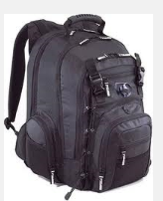
Sleeping bags, cotton-blend lined, soft with polyester insulation, fits up to 5'11" individuals,; Dimensions 74" x 33"; Packed size 12.5" x 17.8"; for overnight stay in the field | Local Supply |  | Sleeping bags, cotton-blend lined, soft with polyester insulation, fits up to 5'11" individuals,; Dimensions 74" x 33"; Packed size 12.5" x 17.8"; for overnight stay in the field | $50.00 | Each | 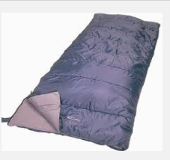
Aluminium Foil, roll, for sealing, weighing, and transferring samples, packed in a heavy dispenser box with cutter bar, 0.024mm thick, 12 in. (30.4cm) length, 200ft (60.96m) | Fisher Scientific (http://www.fishersci.com) or VWR International (http://www.vwrinternational.com) | 01-213-101 | Aluminium Foil, roll, for sealing, weighing, and transferring samples, packed in a heavy dispenser box with cutter bar, 0.024mm thick, 12 in. (30.4cm) length, 200ft (60.96m) | $44.00 | Roll | 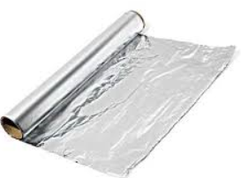
Flask Conical, narrow mouth glass, Capacity 250mL | Fisher Scientific (http://www.fishersci.com) or VWR International (http://www.vwrinternational.com) | 50-380-004 | Flask Conical, narrow mouth glass, Capacity 250mL | $43.20 | Case of 12
Flask Conical, narrow mouth glass, Capacity 500mL | Fisher Scientific (http://www.fishersci.com) or VWR International (http://www.vwrinternational.com) | 50-380-042 | Flask Conical, narrow mouth glass, Capacity 500mL | $34.20 | Case of 6
Flask Conical, narrow mouth glass, Capacity 1000mL | Fisher Scientific (http://www.fishersci.com) or VWR International (http://www.vwrinternational.com) | FB-500-1000 | Flask Conical, narrow mouth glass, Capacity 1000mL | $79.85 | Case of 6
Dry Block Heaters. Digital dry baths capacity of four blocks (for 96 x 1.5/2.0ml microtubes- 24 tubes/block), 120V, 50/60Hz, 0.83A, 100w | Fisher Scientific (http://www.fishersci.com) or VWR International (http://www.vwrinternational.com) | 11-720-10DQ | Dry Block Heaters. Digital dry baths capacity of four blocks (for 96 x 1.5/2.0ml microtubes- 24 tubes/block), 120V, 50/60Hz, 0.83A, 100w | $1,581.52 | Each | 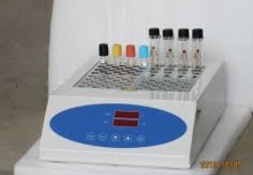
Analytical Balance with draft shield, capacity 220g, Adjustment at a keystroke with external weight and internal weight, Connectivity RS-232 interface for connection to PC or printer, Battery operation: full independence from power supply for 8 hours; readability 0.1mg, repeatability <0.1g, linearity 0.2mg | Fisher Scientific (http://www.fishersci.com) or VWR International (http://www.vwrinternational.com) | 01-910-223 | Analytical Balance with draft shield, capacity 220g, Adjustment at a keystroke with external weight and internal weight, Connectivity RS-232 interface for connection to PC or printer, Battery operation: full independence from power supply for 8 hours; readability 0.1mg, repeatability <0.1g, linearity 0.2mg | $3,670.00 | Each | 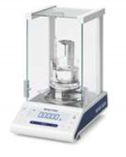
Precision balance, capacity 210g-1010g, Alphanumeric sample ID entry (up to three IDs per sample), Fast, precise weighing results, GLP/GMP-compliant printouts Verified versions and stand-alone platforms available; Readability 1mg, repeatability 0.9mg, linearity 2mg | Fisher Scientific (http://www.fishersci.com) or VWR International (http://www.vwrinternational.com) | 01-912-407 | Precision balance, capacity 210g-1010g, Alphanumeric sample ID entry (up to three IDs per sample), Fast, precise weighing results, GLP/GMP-compliant printouts Verified versions and stand-alone platforms available; Readability 1mg, repeatability 0.9mg, linearity 2mg | $1,330.00 | Each | 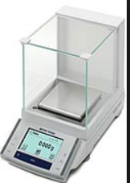
Prospener bottle-top dispenser, Range 0.2 to 10mL, increments of 0.2mL; Fully autoclavable at 121°C, 2 bar for 20 minutes; Accuracy: within ±0.3% of maximum delivery; Chemical-resistant fluid pathway; Calibration mechanism allows for greater reproducibility for repeat dispensing; Fitted with an anti-drip safety valve or a closure cap; Protects against drips, when the bottle-top dispensers are not in use | Fisher Scientific (http://www.fishersci.com) or VWR International (http://www.vwrinternational.com) | 14-559-571 | Prospener bottle-top dispenser, Range 0.2 to 10mL, increments of 0.2mL; Fully autoclavable at 121°C, 2 bar for 20 minutes; Accuracy: within ±0.3% of maximum delivery; Chemical-resistant fluid pathway; Calibration mechanism allows for greater reproducibility for repeat dispensing; Fitted with an anti-drip safety valve or a closure cap; Protects against drips, when the bottle-top dispensers are not in use | $503.61 | Each | 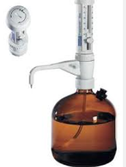
Specimen Processing
Tube, push cap, 0.2 ml, PCR, box/1000 | UNICEF Supply Catalogue | S0001390 | Tube, push cap, 0.2 ml, PCR, box/1000 | $80.76 | Box of 1000
Cryovial storage boxes (100 places), 5 3/4" x 5 3/4" x 2" | CIC (http://www.cryostuff.com/Cryovials.html) | RB-2 | Storage Boxes, 5 3/4" x 5 3/4" x 2" - Cardboard | $1.80 | Each
Cell dividers for Cryovial storage boxes (100 places), for 2" and 3" boxes | CIC (http://www.cryostuff.com/Cryovials.html) | RB-100 | Inserts for 100 place 2" and 3" storage boxes, 1 1/4" x 5 7/16" | $1.80 | Each
Cryovial storage boxes (100 places), 5 3/4" x 5 3/4" x 3" | CIC (http://www.cryostuff.com/Cryovials.html) | RB-3 | Storage Boxes, 5 3/4" x 5 3/4" x 3" - Cardboard | $1.80 | Each
Rack,tubes,0.5/2.0/5.0ml,24 pos,set/6 | UNICEF Supply Catalogue | S0001354 | Rack,tubes,0.5/2.0/5.0ml,24 pos,set/6 | $203.33 | Set of 6
Tube, non-sterile, screw cap, 2.0 ml, box/1000 | UNICEF Supply Catalogue | S0001387 | Tube, non-sterile, screw cap, 2.0 ml, box/1000 | $66.72 | Box of 1000
Tube, sterile, screw cap,2.0 ml,box/1000 | UNICEF Supply Catalogue | S0001383 | Tube, sterile, screw cap,2.0 ml,box/1000 | $87.66 | Box of 1000
Pipette, transfer, 3ml, box/500 | UNICEF Supply Catalogue | S0001413 | Pipette, transfer, 3ml, box/500 | $11.49 | Box of 500
Disposable Graduated Transfer Pipettes, 5.8mL | Fisher Scientific | 13-711-20 | Pipet, Transfer; Fisherbrand; Polyethylene; One piece; With 0.25mL graduations; Length: 6 in. (15.4cm); Capacity: 5.8mL; Bulb Draw: 3.1 to 3.2mL; Sterile; Individually-wrapped | $87.64 | Pack of 500
PARAFILM 4IN X 250FT ROLL | Fisher Scientific (http://www.fishersci.com) or VWR International (http://www.vwrinternational.com) | 13-374-10 | 4 in. W x 125 ft. L; (10cm x 38m); laboratory wrapping film for use in the field; Waterproof, moisture-proof film prevents sample evaporation, contamination; protects anhydrous materials; Can be folded repeatedly and twisted around sharp surface without rupturing; Increases approximately 200% when stretched lengthwise at 21°C (70°F); Partially returns to original length when tension is removed; Becomes more flexible and softer as temperature increases; Rolls are interlined with paper to prevent adhering | $80.00 | Roll | 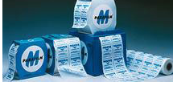
Tube, non-sterile, screw cap, 5.0 ml, box/1000 | UNICEF Supply Catalogue | S0001388 | Tube, non-sterile, screw cap, 5.0 ml, box/1000 | $108.44 | Box of 1000
Tube, sterile, screw cap, 5.0 ml, box/1000 | UNICEF Supply Catalogue | S0001384 | Tube, sterile, screw cap, 5.0 ml, box/1000 | $140.34 | Box of 1000
Portable Centrifuge, fits 3mL-15mL tubes, includes 12V plug, 8 tube capacity | LW Scientific (http://www.lwscientific.com) | E8C-08AF-150P | Rubber feet to prevent wobble 8-tube capacity - 3ml to 15ml size tubes 12v DC motor - maintenance free Blue LED power indicator light Suction-cupped feet prevent slipping 80 watt power requirement Maximum RCF=1300-1500 g 3150rpm (+/-10%) fixed speed - for blood only (speed may vary by car model) Auto-off 30 minute timer with bell 45° Angled rotor | $299.00 | Each | 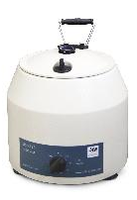
AC-DC power adapter for portable centrifuge that fits 3mL-15mL tubes | LW Scientific (http://www.lwscientific.com) | E8P-ADWL-12V8 | AC-DC power adapter for portable centrifuge that fits 3mL-15mL tubes | $108.00 | Each
12 volt battery clamps for use with portable centrifuge that fits 3mL-15mL tubes | LW Scientific (http://www.lwscientific.com) | PTA-ADBA-12V7 | 12 volt battery clamps for use with portable centrifuge that fits 3mL-15mL tubes | $100.00 | Each
Forceps, tissue,standard,250mm,str | UNICEF Supply Catalogue | S0737700 | Forceps, tissue,standard,250mm,str | $1.26 | Each
Rack, test tube, 24 pos | UNICEF Supply Catalogue | S0001352 | Rack, test tube, 24 pos | $12.52 | Each | 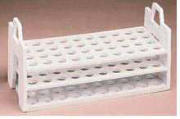
Test Tube Rack; For Multi-Tube Vortexer; Foam; For 13mm tubes; 50 places; for placing vacuum tubes in the cold box | Fisher Scientific (http://www.fishersci.com) or VWR International (http://www.vwrinternational.com) | 02-215-456 | Test Tube Rack; For Multi-Tube Vortexer; Foam; For 13mm tubes; 50 places | $31.00 | Each | 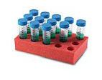
Portable Microcentrifuge, 6-place 1.5/2mL and 12-place 0.5mL rotors included; Portable and compact with durable metal alloy construction, 120V | Cole Parmer (http://www.coleparmer.com) | 17415-01 | Portable Microcentrifuge, 6-place 1.5/2mL and 12-place 0.5mL rotors included; Portable and compact with durable metal alloy construction, 120V | $290.00 | Each | 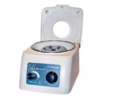
12 DC car battery cable for portable microcentrifuge, 6-place | Cole Parmer (http://www.coleparmer.com) | EW-79000-02 | 12 DC car battery cable for portable microcentrifuge, 6-place | $29.50 | Each | 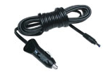
Specimen Collection (Biological and Food)
Container, sample, 120 ml, box/100 | Fisher Scientific (http://www.fishersci.com) or VWR International (http://www.vwrinternational.com) | 13-711-67 | Container, sample, 120 ml, not labeled, sterile; Leak-resistant containers offer superior safety and handling; Clear, virgin polypropylene provides better view of samples and prevents container from discoloring or becoming brittle; Bio-Tite and dual-threaded caps provide a leak-resistant seal for harsh transport conditions and pneumatic tube systems; Sterilized by gamma irradiation, which eliminates potential contamination; Grips, located at the top and bottom of container, provide easy-grip and handling | $74.72 | Box of 100
Fecal transport, Single vials, 12/pk, 10% formalin (15 ml/vial) | Fisher Scientific (http://www.fishersci.com) or VWR International (http://www.vwrinternational.com) | R21640 | Fecal transport, Single vials, 12/pk, 10% formalin (15 ml/vial); Formalin 10%; Single vials; Long shelf life; Industry standard color-coded caps and labels; Easy to use spork cap for safe collection; Convenient packaging | $59.83 | Pack of 12
Toilet Specimen Collector for stool, Box of 100 | Fisher Scientific (http://www.fishersci.com) or VWR International (http://www.vwrinternational.com) | 22-363-149 | Toilet Specimen Collector for stool; Box of 100; Made of durable plastic; System components fit standard toilets; Easy-to-read graduations to determine specimen volume | $259.25 | Box of 100 | 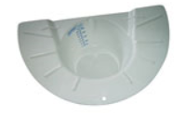
Disposable Sterile Stool spoons for collecting food samples | Fisher Scientific (http://www.fishersci.com) or VWR International (http://www.vwrinternational.com) | 14-375-256 | Disposable Sterile Stool spoons for collecting food samples; Capacity: 1 Tbs.; Length: 7 in.; Flat-top design ensures measuring accuracy; Extra-long handle minimizes contamination; Flat bottom prevents rollover; Pegged end on handle for easier pickup; Polystyrene construction | $147.47 | Pack of 200 | 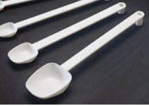
BROWN PAPER BAG 12' X 7" X 17", 66 lb., 500/PK, for collection of food specimens | Local Supply |  | BROWN PAPER BAG 12' X 7" X 17", 66 lb., 500/PK, for collection of food specimens | $10.00 | Pack of 500 | 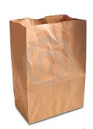
RBC Folate
Tube, capillary, plastic, Dipotassium EDTA, Beadless, 500µL capacity | Becton Dickson (http://www.bd.com) | 365974 | Tube, capillary, with Microgard Lavendar top closure, plastic, Dipotassium EDTA, Beadless, 500µL capacity, The interior surface of the reservoir is spray-coated with K2 EDTA solution, which is then dried. The upper edge of the reservoir serves as a collector. Markings on the reservoir show the 250 μL and 500 μL fill levels. The lavender closure fits snugly over the upper edge of the reservoir, to reduce the potential for sample contact when the cap is removed. | $47.96 | 50/Pack
Tube, vacuum, EDTA, 2 ml, box/100 | UNICEF Supply Catalogue | S0001392 | Tube, vacuum, EDTA, 2 ml, box/100 | $11.80 | Box of 100
Pipette, Fixed Volume 1000uL | Fisher Scientific (http://www.fishersci.com) or VWR International (http://www.vwrinternational.com) | 05-402-76 | Pipette, Fixed Volume 1000uL; pipetter/tip system ensures outstanding accuracy and precision; Ejection sleeve can be removed to fit into smaller vessels; Smooth-running piston is corrosion-free and chemically resistantLateral volume locking safeguards volume selected; UV-resistant and completely autoclavable without any impairment of accuracy or precision; User calibratable | $394.48 | Each
Pipette tip, Volume: 50 to 1000µL; Packaging: rack, 10 x 96 | Fisher Scientific (http://www.fishersci.com) or VWR International (http://www.vwrinternational.com) | 05-403-68 | Pipette tip, Volume: 50 to 1000µL; Sterile; Pyrogen-free, RNase-free, DNA-free and ATP-free; Continuous control of each batch by an independent laboratory; Packed in racks of 96 | $100.57 | Rack of 96 | 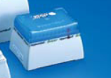
Pipette, Fixed Volume 100uL | Fisher Scientific (http://www.fishersci.com) or VWR International (http://www.vwrinternational.com) | 05-402-66 | Pipette, Fixed Volume 100uL; pipetter/tip system ensures outstanding accuracy and precision; Ejection sleeve can be removed to fit into smaller vessels; Smooth-running piston is corrosion-free and chemically resistantLateral volume locking safeguards volume selected; UV-resistant and completely autoclavable without any impairment of accuracy or precision; User calibratable | $394.48 | Each
Pipette tip, Volume: 2 to 200µL; Packaging: rack, 10 x 96 | Fisher Scientific (http://www.fishersci.com) or VWR International (http://www.vwrinternational.com) | 05-403-66 | Pipette tip, Volume: 2 to 200µL; Sterile; Pyrogen-free, RNase-free, DNA-free and ATP-free; Continuous control of each batch by an independent laboratory; Packed in racks of 96 | $92.30 | Rack of 96
L(+)-Ascorbic Acid, 100g | Fisher Scientific (http://www.fishersci.com) or VWR International (http://www.vwrinternational.com) | A61-100 | Analytical Reagent, L-Ascorbic AcidCrystallineCertified ACS≥99.0 %, amber bottle, 100g | $100.92 | 100g Bottle
Scale, precision, digital, 500g/0.01g | UNICEF Supply Catalogue | S0001323 | Scale, precision, digital, 500g/0.01g | $315.28 | Each | 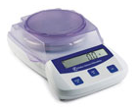
Microcentrifuge tube, push cap, 1.5mL, polypropylene, box of 500 | Fisher Scientific (http://www.fishersci.com) or VWR International (http://www.vwrinternational.com) | 02-682-551 | Nonsterile; 1.5mL; Microcentrifuge tube, push cap, 1.5mL, polypropylene, box of 500 | $24.65 | Box of 500
Spatula, set/3 | UNICEF Supply Catalogue | S0001345 | Spatula, set/3 | $4.62 | Set of 3
Tube, screw cap, conic, 15/50ml, box/500 | UNICEF Supply Catalogue | S0001389 | Tube, screw cap, conic, 15/50ml, box/500 | $107.76 | Box 500
Zinc
Tube, vacuum, trace metals, plasma collection; Blue top, trace certified vacuum tube, EDTA, 6.0 mL- for collection of Plasma | Becton Dickson (http://www.bd.com) | 368381 | Tube, vacuum, trace metals, plasma collection; The tubes for trace element testing; contains EDTA; 13 x 100mm; 6.0mL- plastic, store between 2 and 30C, for collection of plasma | $44.08 | Box of 100
Tube, vacuum, trace metals, serum collection; Blue top, trace certified vacutainer tube, siliclone clot activated, 6.0 mL- for collection of serum | Becton Dickson (http://www.bd.com) | 368380 | Tube, vacuum, trace metals, serum collection; The tubes for trace element testing ; Serum clot activator (silicone coated); 13 x 100mm; 6.0mL- plastic, store between 2 and 30C, for collection of serum | $39.81 | Box of 100
Tent, light weight,rectangular,24m² | UNICEF Catalogue | S5088008 | Tent, light weight,rectangular,24m² | $914.56 | Each | 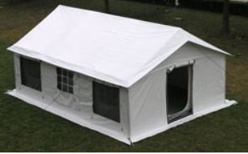
Plastic Film, roll, 12'"x 100', standard, for covering supplies to protect from dust and debris and for use with processing trace metals blood specimens | Fisher Scientific (http://www.fishersci.com) or VWR International (http://www.vwrinternational.com) | 50011422 | Plastic Film, roll, 12'"x 100', standard, for covering supplies to protect from dust and debris and for use with processing trace metals blood specimens | $47.44 | Roll
66-Quart ClearView plastic Latch Box with lid, 23.6 x 16.4 x 13.2 inches ; 4.6 pounds, polypropylene, clear so that contents can be seen, for processing trace metal specimens | Amazon (http://www.amazon.com) | 17571706 | 66-Quart ClearView plastic Latch Box with lid, 23.6 x 16.4 x 13.2 inches ; 4.6 pounds, polypropylene, clear so that contents can be seen, for processing trace metal specimens | $79.98 | Pack of 6 | 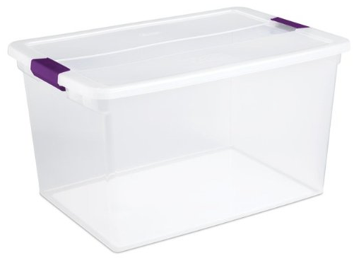
Trace metal tested polypropylene 2 mL microfuge tubes with screw cap, Box of 1000 | Perfector Scientific (http://www.perf-sci.com) | 2191 | Trace metal tested polypropylene 2 mL microfuge tubes with screw cap, Box of 1000 | $121.50 | Box
MRDR
Positive displacement pipette, 50-250µL | Gilson (http://www.gilson.com) | F148505 | Fully adjustable, positive-displacement pipette that, together with its Capillary Pistons (CPs), will ensure accuracy and precision when pipetting problem liquids, and offer full protection against cross contamination; range 50-250uL | $298.56 | Each
Pipette tips for positive displacement pipetter, 50-250µL, TIPACKS 96 tips per pack | Gilson (http://www.gilson.com) | F148014 | Pipette tips for positive displacement pipetter, 50-250µL, TIPACKS 96 tips per pack, for use with positive displacement pipette (range 50-250µL) | $408.86 | Pack of 96 | 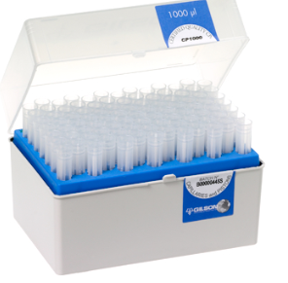
Tube, screw cap, 4.0mL, amber color with screw cap | Fisher Scientific (http://www.fishersci.com) or VWR International (http://www.vwrinternational.com) | 14-955-331 | Tube, screw cap, 4.0mL, amber color with screw cap; Capacity: 4mL; 15 O.D x 45mm H | $47.01 | Box | 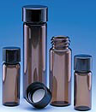
Disposable Sterile Stool spoons | Fisher Scientific (http://www.fishersci.com) or VWR International (http://www.vwrinternational.com) | 14-375-256 | Disposable Sterile Stool spoons for collecting food samples; Capacity: 1 Tbs.; Length: 7 in.; Flat-top design ensures measuring accuracy; Extra-long handle minimizes contamination; Flat bottom prevents rollover; Pegged end on handle for easier pickup; Polystyrene construction | $147.47 | Pack of 200
Syringe,disp,1ml,ster/BOX-100 | UNICEF Supply Catalogue | S0782203 | Syringe,disp,1ml,ster/BOX-100 | $3.29 | Box of 100
Cold Chain Equipment and Supplies
Bubble wrap roll, 12" x 300' | Uline (http://www.uline.com) | S2501-P | 3/16 in. in. UPSable Bubble Wrap, 12 in. x 300 ft. roll, Perforated every 12 in., Single roll, Unit Weight: 2.96 lb., Store in area protected with automatic sprinklers, Storage Temperature: Below 170 deg. F (77 deg. C) | $35.00 | 1 Roll | 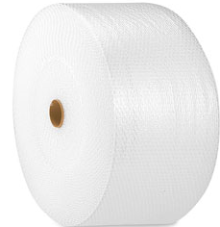
Frozen cold pack, 16 oz. | Plastilite Corp. (http://www.plastilite.com) | TF16 | Reusable and Non-toxic, long lasting and economical alternative to ice. When used in conjunction with suitable insulated containers, to significantly extend shipping times of perishable products. 16 OZ. (1 LB) 6" X 7 3/4" | $15.00 | Case of 36 | 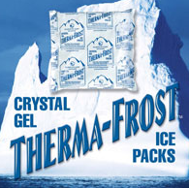
Syrofoam Shippers , 36 x 36 x 37cm | Fisher Scientific (http://www.fishersci.com) or VWR International (http://www.vwrinternational.com) | 03-530-17 | Syrofoam Shippers, Corrugated Carton, One-Piece Insulated Core; Wall: 3.8cm; Outside dimensions: 36 x 36 x 37cm | $67.12 | Each
Portable freezer, 37L | Dometic (http://www.dometic.com) | CF40 | Composed of a high impact polypropylene cabinet that can refrigerate or freeze to 0 degrees F (-17 degrees C). Enhanced by a quick chill / turbo function that runs the compressor at maximum performance until the desired temperature has been reached. Memory feature will maintain preset settings if the system is turned off. And the three stage battery monitor has a low voltage shut-off to protect against a dead battery; 39 quarts, 1.3 cubic feet (36 liters) 12/24 volts DC, 110 volts AC | $650.00 | Each
Portable freezer, 48L | Dometic (http://www.dometic.com) | CF50 | Composed of a high impact polypropylene cabinet that can refrigerate or freeze to 0 degrees F (-17 degrees C). Enhanced by a quick chill / turbo function that runs the compressor at maximum performance until the desired temperature has been reached. Memory feature will maintain preset settings if the system is turned off. And the three stage battery monitor has a low voltage shut-off to protect against a dead battery; 52 quarts, 1.7 cubic feet (48 liters) 12/24 volts DC, 110 volts AC | $700.00 | Each
Freezer, lab, -86C, 140L | UNICEF Supply Catalogue | S0001520 | Freezer, lab, -86C, 140L | $10,442.83 | Each | 
Freezer, lab, -20C, 140L | UNICEF Supply Catalogue | S0001519 | Freezer, lab, -20C, 140L | $1,297.30 | Each | 
Cooler with strap | Market Lab (http://www.marketlab.com) | ML3638 | Small • 14.25"W x 9.5"D x 11"Hl Constructed of durable polypropylene for all types of specimen transport needs; Superior ice retention obtained by pressure-injecting CFC-free, premium insulation in the entire body and the lid of the cooler; Includes carrying handle and shoulder strap, for carrying specimens while in the field | $70.60 | Each | 
Thermometer, max/min -30C/60C. | UNICEF Supply Catalogue | S0001342 | Thermometer, max/min -30C/60C. | $7.77 | Each | 
Safety (Field and Laboratory)
Flashlight, pre-focused | UNICEF Supply Catalogue | S0630010 | Flashlight, pre-focused | $13.62 | Each
First aid kit A | UNICEF Supply Catalogue | S9975020 | First aid kit A | $25.82 | Each | 
Glasses, safety, regular size,disposable | UNICEF Supply Catalogue | S0305060 | Glasses, safety, regular size,disposable | $2.04 | Each
Coat, lab work, small size | Fisher Scientific (http://www.fishersci.com) or VWR International (http://www.vwrinternational.com) | 01-361-10A | Coat, lab work, small size; Standard laboratory coat, long sleeves, notched lapel collar; Left breast pocket; Left and right lower side pockets; Front button closure; Color: white; Material: cotton, non-shrink (less than 5%); Length: approximately 110cm; Pack of 1 plastic wrapped coat | $242.59 | Case of 30
Coat, lab work, medium size | UNICEF Supply Catalogue | S0001430 | Coat, lab work, medium size | $43.68 | Each
Coat, lab work, large size | Fisher Scientific (http://www.fishersci.com) or VWR International (http://www.vwrinternational.com) | 19-046-143C | Coat, lab work, large size; Standard laboratory coat, long sleeves, notched lapel collar; Left breast pocket; Left and right lower side pockets; Front button closure; Color: white; Material: cotton, non-shrink (less than 5%); Length: approximately 110cm; Pack of 1 plastic wrapped coat | $297.75 | Each
High-Foam Caustic liquid detergent, mild odor, clear brown liquid, Bottle of 4L | Fisher Scientific (http://www.fishersci.com) or VWR International (http://www.vwrinternational.com) | 15-352-548 | High-Foam Caustic liquid detergent, mild odor, clear brown liquid, Bottle of 4L | 347 | Case of 4 | 
DBS Supplies
Paper, dry blood spot, box/100 | UNICEF Supply Catalogue | S0001371 | Paper, dry blood spot, box/100 | $203.26 | Box of 100 | 
Rack, drying DBS cards, 10 positions | UNICEF Supply Catalogue | S0001372 | Rack, drying DBS cards, 10 positions | $9.50 | Each | 
Low-gas permeable plastic bags for card storage (18x20cm/7x8") | Fisher Scientific (http://www.fishersci.com) or VWR International (http://www.vwrinternational.com) | 11217-106 | Use for collecting, transporting and storing tissue specimens; Minimize storage space and help to eliminate leakage, breakage and contamination; Resealable double-lock zipper closure; Designed for storage of tissues and fixatives and for use as mini-anaerobic environments 18x20cm/7x8" | $148.90 | Pack of 250 | 
Silica gel, pouch, box/200 | UNICEF Supply Catalogue | S0001486 | Silica gel, pouch, box/200 | $17.00 | 100/pk | 
Punch, DBS, 3.0mm, set/5 | UNICEF Supply Catalogue | S0001348 | Punch, DBS, 3.0mm, set/5 | $148.77 | Set of 5 | 
Electrical and Power Supply
AC-3000 Transformer | Simram (http://www.110220volts.com/AC-3000W.html?gclid=COetlKiNwboCFU8V7AodKhUA_w) | AC-3000 | 3000 Watts Step Up and Down Voltage Converter Transformer 110-220 Volts | $104.99 | Each | 
0.72 KVA Digital Generator | Kipor (http://www.kipor.com) | KGE 980Tc | 0.72 KVA Digital Generator; Maximum 0.72kVA output for wide range of applications; Low noise design, about 63~66dB/7m; Lightweight delivers super portability-only 10.5Kg; 4.5 hours running on a sigle fuel tank; Inverter technology delivers quality Output; Stylish and patented design; Unique and patented air cycle system; Dual voltage and frequency output for ease of use; single phase; 12 DC volatage; 8.3 A with circuit protector; single cylinder, 4 stroke, vertical, air cooled; requires 1.7 L fuel | $415.35 | Each | 
Battery ,drycell,alkaline,'AA',1.5V/PAC-4 | UNICEF Supply Catalogue | S1802209 | Battery ,drycell,alkaline,'AA',1.5V/PAC-4 | $0.93 | Pack of 5 | 
Laboratory Reagents
Potassium Iodate (KIO3), certificed ACS 99.4 to 100.4%, bottle of 100g, white crystialline powder, oderless (CAS# 7758-05-6) | Fisher Scientific (http://www.fishersci.com) or VWR International (http://www.vwrinternational.com) or Sigma-Aldrich (http://www.sigmaaldrich.com) | Check website for part number | Potassium Iodate (KIO3), certificed ACS 99.4 to 100.4%, bottle of 100g, white crystialline powder, oderless (CAS# 7758-05-6) | Check website for current pricing | 100g Bottle
Ammonium Persulphate (H8N2O8S2), 98+% purity, ACS reagent, CAS #7717-54-0, white crystals or crystalline powder, Bottle of 500g | Fisher Scientific (http://www.fishersci.com) or VWR International (http://www.vwrinternational.com) or Sigma-Aldrich (http://www.sigmaaldrich.com) | Check website for part number | Ammonium Persulphate (H8N2O8S2), 98+% purity, ACS reagent, CAS #7717-54-0, white crystals or crystalline powder, Bottle of 500g | Check website for current pricing | 500g Bottle
Arsenic Trioxide, As2O3, primary standard, (arsenous Acid), CAS #1327-53-3, Bottle of 100g | Fisher Scientific (http://www.fishersci.com) or VWR International (http://www.vwrinternational.com) or Sigma-Aldrich (http://www.sigmaaldrich.com) | Check website for part number | Arsenic Trioxide, As2O3, primary standard, (arsenous Acid), CAS #1327-53-3, Glass Bottle of 100g | Check website for current pricing | 100g Bottle | 
Sodium Chloride, NaCl, powder, >99.0% purity, CAS #7647-14-5, bottle of 500g | Fisher Scientific (http://www.fishersci.com) or VWR International (http://www.vwrinternational.com) or Sigma-Aldrich (http://www.sigmaaldrich.com) | Check website for part number | Sodium Chloride, NaCl, powder, >99.0% purity, CAS #7647-14-5, bottle of 500g | Check website for current pricing | 500g Bottle | 
Sulfuric Acid, H2SO4, CAS # 7664-93-9, 98% solution, bottle of 2.5L | Fisher Scientific (http://www.fishersci.com) or VWR International (http://www.vwrinternational.com) or Sigma-Aldrich (http://www.sigmaaldrich.com) | Check website for part number | Sulfuric Acid, H2SO4, CAS # 7664-93-9, 98% solution, bottle of 2.5L | Check website for current pricing | 2.5L Bottle
Nitric Acid, HNO3, CAS #7697-37-2, bottle of 2.5L | Fisher Scientific (http://www.fishersci.com) or VWR International (http://www.vwrinternational.com) or Sigma-Aldrich (http://www.sigmaaldrich.com) | Check website for part number | Nitric Acid, HNO3, CAS #7697-37-2, bottle of 2.5L | Check website for current pricing | 2.5L Bottle
Sodium Thiosulfate Pentahydrate, Na2S2O3.5H2O, CAS # 10102-17-7, crystalline, bottle of 500g | Fisher Scientific (http://www.fishersci.com) or VWR International (http://www.vwrinternational.com) or Sigma-Aldrich (http://www.sigmaaldrich.com) | Check website for part number | Sodium Thiosulfate Pentahydrate, Na2S2O3.5H2O, CAS # 10102-17-7, crystalline, bottle of 500g | Check website for current pricing | 500g Bottle
Starch, C6H10O5X, soluble powder, CAS #9005-84-9, bottle of 100g | Fisher Scientific (http://www.fishersci.com) or VWR International (http://www.vwrinternational.com) or Sigma-Aldrich (http://www.sigmaaldrich.com) | Check website for part number | Starch, C6H10O5X, soluble powder, CAS #9005-84-9, bottle of 100g | Check website for current pricing | 100g Bottle
Ceric Ammonium Sulfate, (NH4)2Ce(NO3)6, CAS # 16774-21-3, crystalline/certified ACS powder, 500g bottle | Fisher Scientific (http://www.fishersci.com) or VWR International (http://www.vwrinternational.com) or Sigma-Aldrich (http://www.sigmaaldrich.com) | Check website for part number | Ceric Ammonium Sulfate, (NH4)2Ce(NO3)6, CAS # 16774-21-3, crystalline/certified ACS powder, 500g bottle | Check website for current pricing | 500g Bottle
Potassium iodide (KI), grandular, free flowing, CAS # 7681-11-0, >99.5%, reagent grade, 1kg/bottle | Fisher Scientific (http://www.fishersci.com) or VWR International (http://www.vwrinternational.com) or Sigma-Aldrich (http://www.sigmaaldrich.com) | Check website for part number | Potassium iodide (KI), grandular, free flowing, CAS # 7681-11-0, >99.5%, reagent grade, 1kg/bottle | Check website for current pricing | Each | 
Sodium Chloride, NaCl, powder, >99.0% purity, CAS #7647-14-5, bottle of 1kg | Fisher Scientific (http://www.fishersci.com) or VWR International (http://www.vwrinternational.com) or Sigma-Aldrich (http://www.sigmaaldrich.com) | Check website for part number | Sodium Chloride, NaCl, powder, >99.0% purity, CAS #7647-14-5, bottle of 1kg | Check website for current pricing | 1KG Bottle

